Instructions
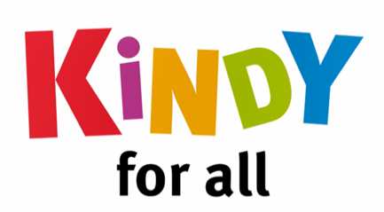
 | Powered By |  | In Partnership with

Free Kindy Calculator

How the Funding Works
Kindergarten programs can be provided over two or three days, at a long day care service. Services may have different offerings such as two 7.5 days or three 5 hour days, across the week. If a child attends kindy in a long day care, families will need to pay for the hours of care before and after the kindy program. These costs may be covered in part by CCS. The Queensland Government funds 15 hours per week, 40 weeks per year of free kindy. |  | 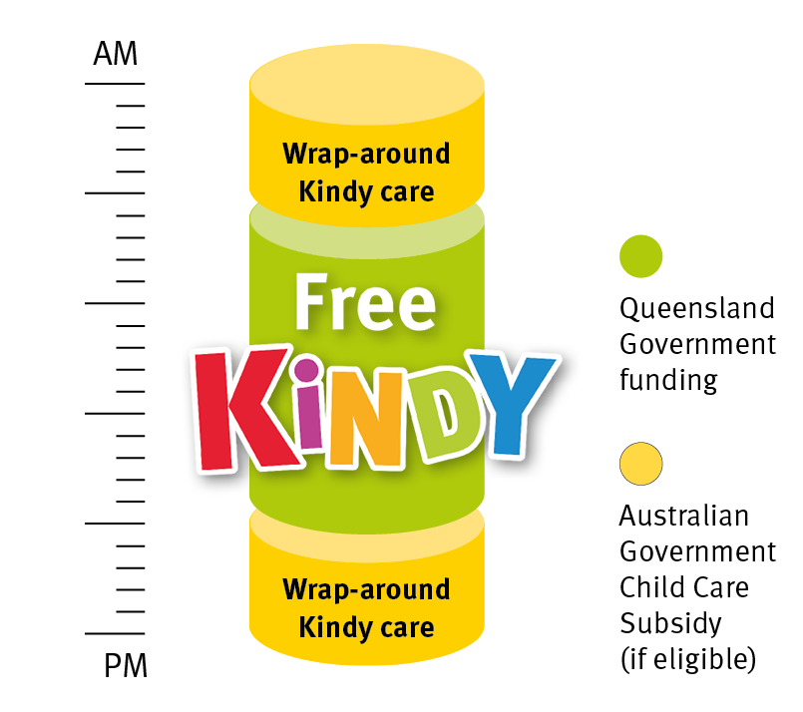
More details available on the Free Kindy website here.

How to use this Calculator
Hover over the red triangle for an explanation of the cells.

Daily
The Daily Calculator allows you to get an estimate of a Family's out of pocket costs for a single day. Simply enter the session details in the green cells and the calculator will show you the estimated gap fee after CCS and Kindy Funding. *NB. You can only choose whether the session is covered by their CCS hours or not. If you want to see the mix where the Family may consume their CCS hours early, please use the Fortnightly (Detailed) calculator.

Fortnightly (Detailed)
The Fortnightly Calculator allows you to get a full picture of a Family's out of pocket costs by taking into consideration their CCS hours for the full fortnight. Simply enter the session details in the green cells along with the Kindy Program hours and the calculator will show you the estimated gap fee after CCS and Kindy Funding.

